Instructions
Pre -requisites
1 | Run Salesforce report they are:
 | a | Cases with orders & orders with/without
 | b | Cases with Reimbursment Request

2 | Save the reports to the desktop folder (Name: xxxx)

Instructions
1 | Import the 2 excel files using the import functionality in the Reimburs Report Ribbon.

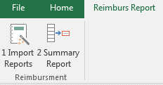

2 | You will need to import the cases & reimbursment data separately into the Excel file.
 | A dialogue box will appear for you to rename the worksheet accordingly
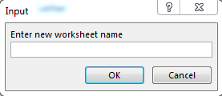

 |  |  | The Reimburs data will be "reimburs"
 |  |  | The Cases data will be "cases"

3 | Once the data has been imported, press 2 Summary report from the Reimburs Report ribbon to create the summary report.

